Request for Change
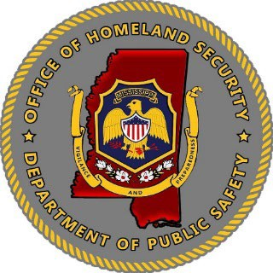

Homeland Security Grant Program Request Form

Type of Request: Please check the box for the type of request:

FALSE | Request for Advance: An advance is for jurisdictions may not be able to provide monies up front for purchases and wait to be reimbursed later within the period of performance.
FALSE | Request for Extension - An extension will extend the period of performance to complete all program tasks and activities.
FALSE | Request for Minor Change - A minor change is budget change within a single line item within the program budget.
FALSE | Request for Modification - A modification is a budget change within more than one line item within the program budget. Authorized Signatory Official signatures are required. For a Request for Modification, please fill out the request form and proceed to the Budget Modification Signature Sheet and Budget Summary Sections. All sections must be provided.

Program Information: Please provide the following information regarding the request:

Date:
Grant Number:
Agency:
Sub-Recipient Grant Administrator Name:
Sub-Recipient Grant Administrator Email:
Amount of Grant:
Amount of Requested Advance/Minor Change:
Date of Extension for Grant to be Extended:

Please provide detailed justification for the requested advance/extension or minor change:

Attach a copy of supporting documentation for the requested advance/extension or minor change. (Quotes, Bids, Purchase Order, Invoice) Please return form to MOHS Grants at: mohsgrants@dps.ms.gov

